Indices

 | Iraq Stock Exchange
 | Bulletin No (192)

 | ISX Trading Indices of Monday 27/10/2025

 | Traded Volume and OTC |  | 543,855,536 |  | Traded Value and OTC |  | 2,034,147,523 |  | Traders | 602

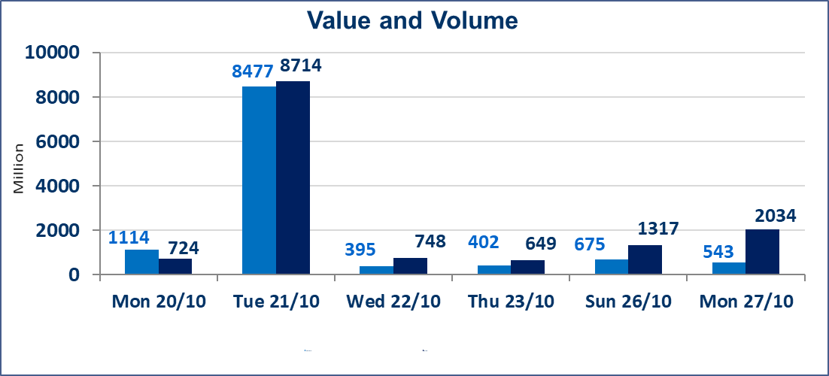
 | ISX Index 60 |  |  | 910.06 | ISX Index 15 |  |  | 1108.75
 | Previous ISX Index60 |  |  | 913.63 | Previous ISX Index15 |  |  | 1111.10
 | Change % |  |  | -0.39 | Change % |  |  | -0.21
 | Change |  |  | -3.57 | Change |  |  | -2.35

 | Listed Companies | 104 | OTC | 11 | Non Traded listed | 48 | OTC | 8
 | Traded Listed Companies | 43 | OTC | 2 | Higher Companies |  |  | 8
 | GAM Companies |  |  | 3 | Lower Companies |  |  | 15
 | Suspended Companies |  |  | 10
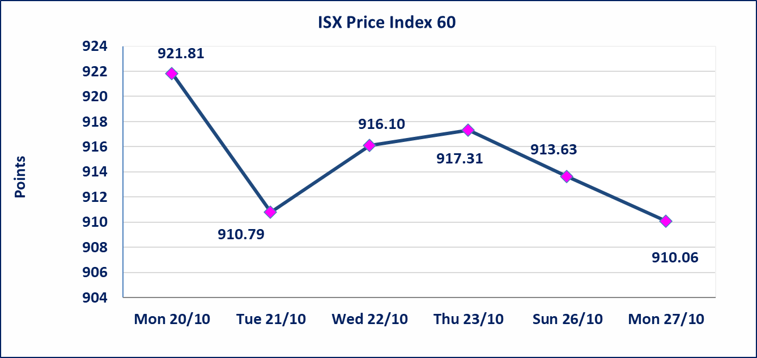
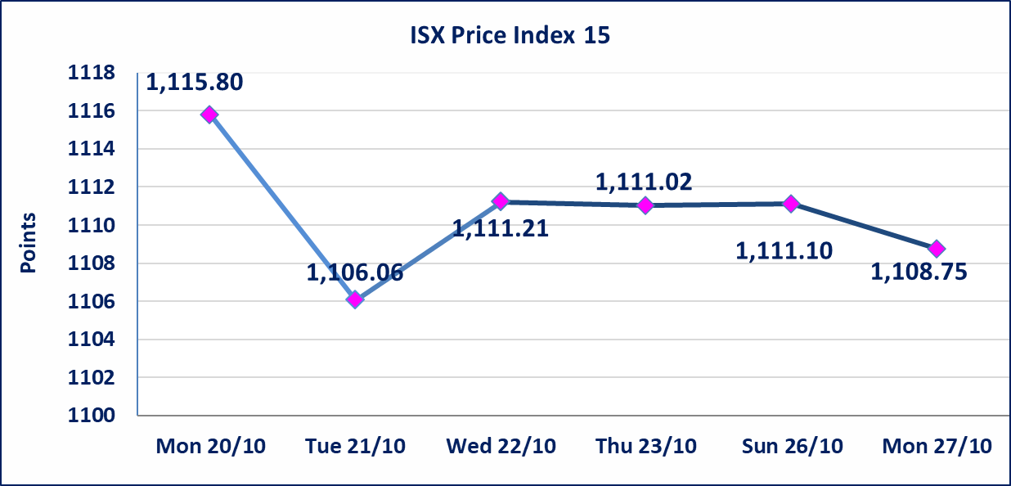

 | special orders | Nour Al-Wameedh Company (sell) and Al-Rafidain Company (buy) executed a special order on the shares of Baghdad Soft Drinks Company, with a number of (300,000,000) shares, with a value of (1,371,000,000) dinars, during the additional session time (after 1 pm), according to the procedures for executing large transactions.
Al-Alwiya P.O . 3607 Mobile: 07711211522 - 07270094594 - 07834000034 E-mail: info-isx@isx-iq.net Web site:www.isx-iq.net

Top 5
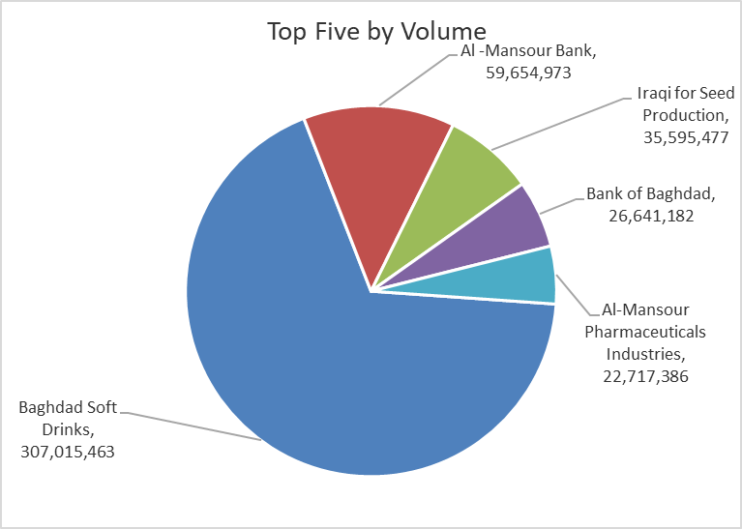
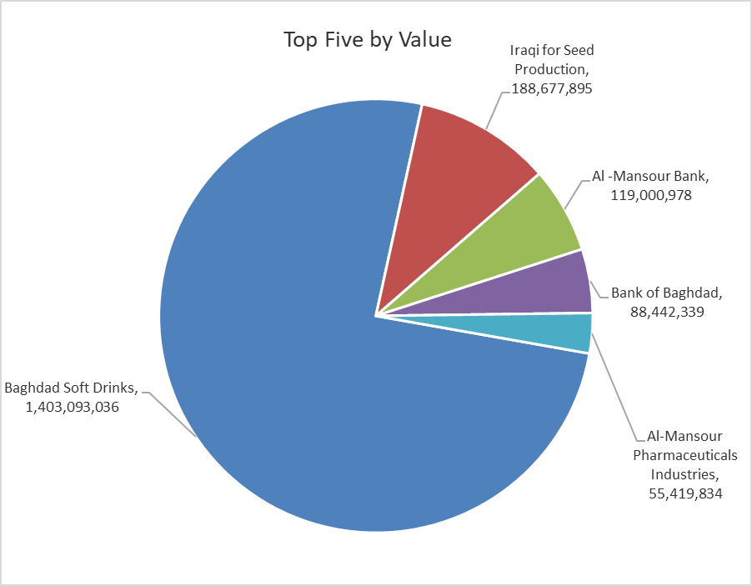
ISX top ganing and losing companies
Monday 27/10/2025
Gainers |  |  |  | Losers
Company Name | Closing Price | Change (%) | Traded Volume | Company Name | Closing Price | Change (%) | Traded Volume
Sumer Commercial Bank | 0.100 | 11.11 | 10,004,000 | Gulf Commercial Bank | 0.270 | -3.57 | 5,525,300
Palestine Hotel | 28.920 | 4.97 | 2,000 | Al-Ameen for Insurance | 0.850 | -3.41 | 300,000
Modern Construction Materials | 0.660 | 4.76 | 200,000 | AL-Badia for General Trans | 1.200 | -3.23 | 61,565
Al-Khatam Telecom | 2.480 | 2.48 | 840 | Fallujah for construction Materials | 3.300 | -2.94 | 2,230,586
Electronic Industry | 1.430 | 2.14 | 3,086,564 | Commercial Islamic Bank of Iraq | 0.670 | -2.90 | 15,444,108

The most active companies in term of traded volume and value

Traded Volume |  |  |  | Traded Value
Company Name | Closing Price | Change (%) | Traded Volume | Company Name | Closing Price | Change (%) | Traded Value
Baghdad Soft Drinks | 4.580 | 1.33 | 307,015,463 | Baghdad Soft Drinks | 4.580 | 1.33 | 1,403,093,036
Al -Mansour Bank | 2.000 | -0.50 | 59,654,973 | Iraqi for Seed Production | 5.300 | 0.00 | 188,677,895
Iraqi for Seed Production | 5.300 | 0.00 | 35,595,477 | Al -Mansour Bank | 2.000 | -0.50 | 119,000,978
Bank of Baghdad | 3.310 | -1.49 | 26,641,182 | Bank of Baghdad | 3.310 | -1.49 | 88,442,339
Al-Mansour Pharmaceuticals Industries | 2.430 | -0.41 | 22,717,386 | Al-Mansour Pharmaceuticals Industries | 2.430 | -0.41 | 55,419,834

Non Iraqis

Iraq Stock Exchange
Non Iraqis' Bulletin Monday Oct 27 2025
Regular Market

Non Iraqi Trading of Regular Market (Buy)
Company Names | Code | No.of trades | Traded Shares | Trading Volume
Banks Sector
Bank Of Baghdad | BBOB | 2 | 20,000 | 67,000
Union Bank of Iraq | BUOI | 5 | 1,000,000 | 260,000
Total Bank sector |  | 7 | 1,020,000 | 327,000
Telecommunication Sector
Asia cell | TASC | 2 | 500,000 | 5,940,000
Total Telecommunication sector |  | 2 | 500,000 | 5,940,000
Grand Total |  | 9 | 1520000 | 6267000

Non Iraqi Trading of Regular Market (Sell)
Company Names | Code | No.of trades | Traded Shares | Trading Volume
Banks Sector
Commercial Bank of Iraq | BCOI | 6 | 6,188,336 | 4,146,185
National Bank Of Iraq | BNOI | 5 | 1,577,127 | 6,529,306
Gulf Commercial Bank | BGUC | 1 | 5,525,300 | 1,491,831
Total Bank sector |  | 12 | 13,290,763 | 12,167,322
Grand Total |  | 12 | 13290763 | 12167322

